Sheet1


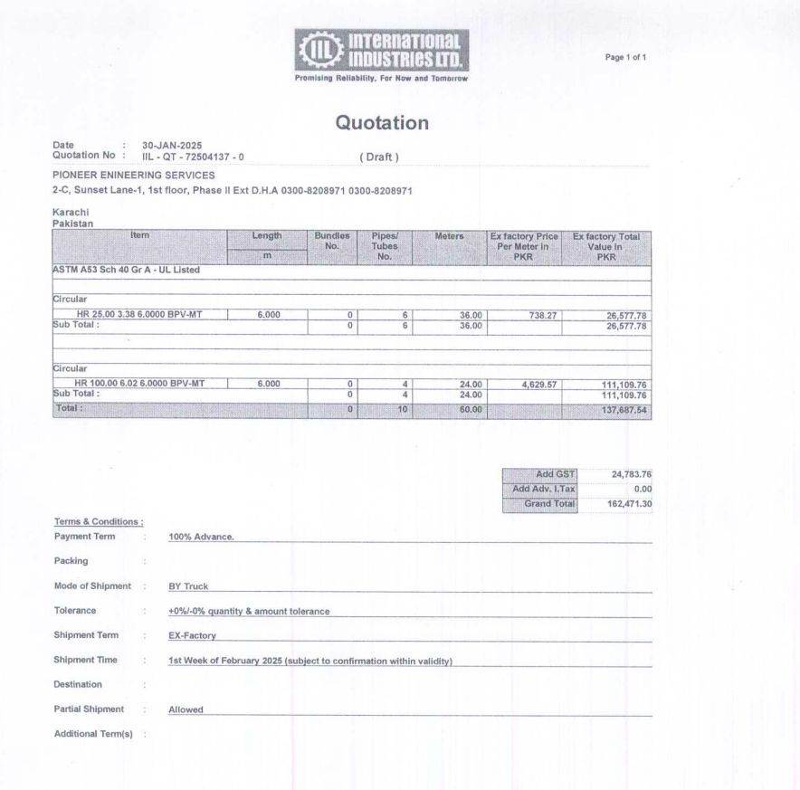

M/S International Industries Limited |  |  |  |  |  | 25-Feb-25

Att: Mr. Sohail Rafiq

PURCHASE ORDER

Supply of Circular ASTM A53 Sch 40 for the project (Meezan Bank Gujranwala)
S No. | D e s c r i p t i o n | Qty | Unit | Mtr | Rate | Amount
1 | HR 25 | 6 | LEN | 24 | 738.27 | 17,718
2 | HR 100 | 6 | LEN | 12 | 4,629.57 | 55,555
 |  | TOTAL: |  |  |  | 73,273
GST 18% |  |  |  |  |  | 13,189
Total amount |  |  |  |  |  | 86,464
Extra payment already paid |  |  |  |  |  | 31,362
Total amount |  |  |  |  |  | 55,102

for PIONEER ENGINEERING SERVICES

 |  |  |  |  |  |  | 73273
 |  |  |  |  |  |  | 31362
 |  |  |  |  |  |  | 41911
 |  |  |  |  |  |  | 7543.98
 |  |  |  |  |  |  | 49454.98

